Yearly top ten
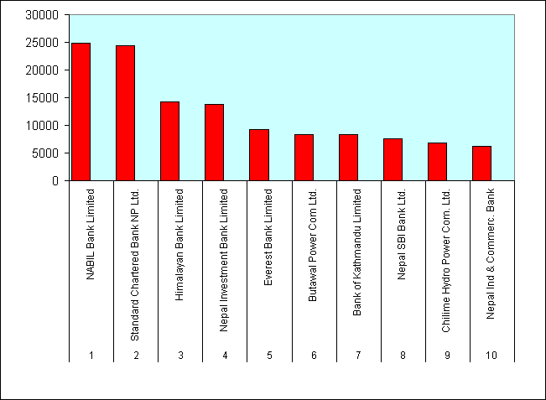
Nepal Stock Exchange Ltd.
List of Top Ten Companies
Top Ten on the Basis of Traded Amount
Fiscal Year 2063/64
(16 July 2006 to 16 July 2007)
 | S.N | Name of the Companies | Amount Traded
 |  |  | (Rs. In Million)
 | 1 | Bank of Kathmandu Ltd. | 798.8
 | 2 | Kumari Bank Ltd. | 644.92
 | 3 | National Hydro Power Co. Ltd. | 642.36
 | 4 | Chilime Hydropower Com. Ltd. | 584.98
 | 5 | Siddhartha Bank Ltd. | 467.99
 | 6 | Nepal Investment Bank Ltd. | 429.16
 | 7 | NABIL Bank Ltd. | 390.75
 | 8 | Lumbini Bank Ltd. | 374.5
 | 9 | Nepal SBI Bank Ltd. | 365.01
 | 10 | Machhapuchchhre Bank Ltd. | 348.59
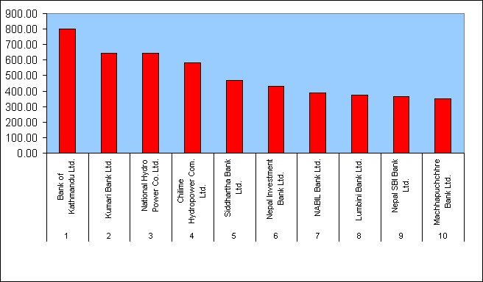

Top Ten on The Basis of Share Traded
 |  | Name of the Companies | No Of Share
 |  |  | (Traded in '000)
 | 1 | National Hydro Power Co. Ltd. | 3740
 | 2 | Lumbini Bank Limited | 1318
 | 3 | Kumari Bank Limited | 1023
 | 4 | Nepal Bangladesh Bank Ltd. | 976
 | 5 | Chilime Hydropower Com. Ltd. | 885
 | 6 | Nepal Credit & Com. Bank Ltd. | 879
 | 7 | Siddhartha Bank Ltd. | 860
 | 8 | Bank of Kathmandu Ltd. | 803
 | 9 | Machhapuchchhre Bank Ltd. | 776
 | 10 | Sanima Bikash Bank Ltd. | 650
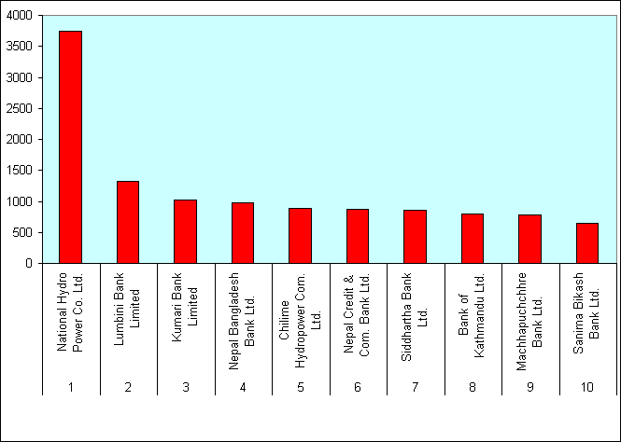

Top Ten on the Basis of Number of Transactions
 |  | Name of the Companies | No of Transactions

 | 1 | Sanima Bikash Bank Ltd. | 22217
 | 2 | Shikhar Insurance Co. Ltd. | 9774
 | 3 | Siddhartha Bank Ltd. | 8689
 | 4 | Business Dev. Bank Ltd. | 5773
 | 5 | IME Financial Inst. Ltd. | 4851
 | 6 | Bank of Kathmandu Ltd. | 4005
 | 7 | Prudential Insurance Co. Ltd. | 3992
 | 8 | Kumari Bank Ltd. | 3758
 | 9 | Nepal Bangladesh Bank Ltd. | 3257
 | 10 | Lumbini Bank Ltd. | 3182

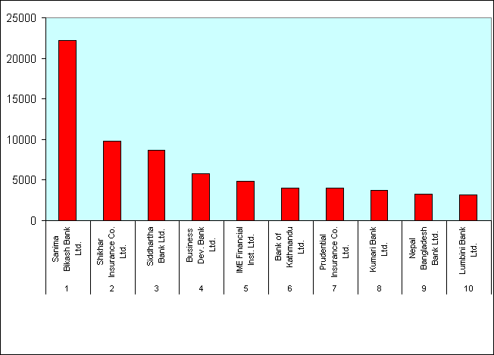

Top Ten on the Basis of Market Capitalization
 |  | Name of the Companies | Capitalization
 |  |  | Rs. In Million
 | 1 | NABIL Bank Limited | 24795.25
 | 2 | Standard Chartered Bank NP Ltd. | 24382.03
 | 3 | Himalayan Bank Limited | 14270.26
 | 4 | Nepal Investment Bank Limited | 13855.39
 | 5 | Everest Bank Limited | 9185.4
 | 6 | Butawal Power Com Ltd. | 8390.58
 | 7 | Bank of Kathmandu Limited | 8293.19
 | 8 | Nepal SBI Bank Ltd. | 7618.17
 | 9 | Chilime Hydro Power Com. Ltd. | 6858.24
 | 10 | Nepal Ind & Commerc. Bank | 6270

